Virtulization
 |  |  |  | DNS Server
 |  |  | wwww.yahoo.com |  | 72.0.35.10
 |  |  | WWW.google.com |  | 72.0.120.222
72.30.35.10

72.30.35.10
22.30.35.11

 |  |  |  |  |  |  | Load Balancer (F5, Netscaler etc)

 |  |  |  |  |  |  | SAP |  | WAS | SAP |  | SQL |  |  | SAP | SAP | WAS |  | SQL |  |  |  | SAP |  | WAS |  |  | SQL |  |  | SAP |  | WAS |  |  | SQL
Physical Server | SAP |  |  |  |  |  | APP |  | Web | APP |  | DB |  |  | APP | APP | Web |  | DB |  |  |  | APP |  | Web |  |  | DB |  |  | APP |  | Web |  |  | DB
 | word |  |  | Guests |  |  | 10.1.1.1 |  |  | 10.1.1.1 | --30 more |  |  |  |  | 10.1.1.1 |  | 40 guests |  |  |  |  |  |  |  |  | --30 more |  |  |  |  |  |  |  | --30 more
 | IE |  |  |  |  |  | Win2003 | Linux 5.1 | Win2008 | Win2003 | servers | Linux 7.1 |  |  | Win2003 | Win2003 | Win2008 | Win2012 | Linux 7.1 |  |  |  | AIX 6.1 | AIX 5.1 | AIX 7.1 | AIX 3.1 |  |  |  |  | MVS 2.3 | MVS3.5
 | applications |  |  |  |  |  | OS1A | OS2 | OS3 | OS1B |  | OS5 |  |  | OS1 | OS1C | OS3 | OS4 | OS5 |  |  |  | LPAR1 | LPAR 2 | LPAR 3 | LPAR 4 |  | LPAR 20 |  |  | LPAR1 | LPAR 2 | LPAR 3 | LPAR 4 |  | LPAR 20
 | OS | Windows |  | Hypervisor | Hypervisor: ESX by Vmware : vSphere |  |  |  |  |  |  |  |  |  | Hypervisor: ESX by Vmware |  |  |  |  |  |  |  | Hypervisor: VIO |  |  |  |  |  |  |  | Hypervisor: Z/VM
 | CPU | 2 quad = 8 core |  |  | CPU | 64 | 2 | 6 | 8 | 12 | 24 | 24 | CPU | 32 | 2 | 20 | 8 | 12 | 24 |  | CPU | 64 | 2 | 6 | 8 | 12 |  | 24 | CPU | 64 | 2 | 6 | 8 | 12 |  | 24
 | Memory | 8GB |  | Host | Memory | 4 TB | 16GB | 24 | 8GB | 16GB |  |  | Memory | 2TB | 16GB | 24 |  |  |  |  | Memory | 2TB | 16GB | 24 |  |  |  |  | Memory | 2TB | 16GB | 24
 | Hard Disk | 250 GB |  |  | Hard Disk | 100GB | 500GB | 250 |  |  |  |  | Hard Disk | 800TB | 500GB | 250 |  |  |  |  | Hard Disk | 800TB | 500GB | 250 |  |  |  |  | Hard Disk | 800TB | 500GB | 250
 | Network | 1 GB Network |  |  | Network | 500MB/Sec | 100Mbps | 50 |  |  |  |  | Network | 500MB/Sec | 100Mbps | 50 |  |  |  |  | Network | 500MB/Sec | 100Mbps | 50 |  |  |  |  | Network | 500MB/Sec | 100Mbps | 50

Dell R630
 |  |  |  |  |  |  |  |  |  | Culster
physical server
 |  |  |  |  | Hypervisors | Manfufacture |  | name |  |  | Windows and Linux virtulization |  |  |  |  |  |  |  |  |  |  |  | IBM | AIX Power Rack |  |  |  |  |  |  | IBM | Mainframe
 |  |  |  |  |  | VMWARE |  | ESXi-vSphere | v5, 6, 7

 |  |  |  |  |  |  | v

 |  |  |  |  |  |  | Container Env.
 |  |  |  |  | CPU | 32 | 2 | 6 | 8 | 12 |  | 24
 |  |  |  |  | Memory | 2TB | 16GB | 24
 |  |  |  |  | Hard Disk | 800TB | 500GB | 250
 |  |  |  |  | Network | 500MB/Sec | 100Mbps | 50

 |  |  |  |  |  |  |  | Containers

 |  |  |  |  | 30 |  | ….
 |  |  |  |  |  |  | ….
 |  |  |  |  |  |  | ,…

 |  |  |  |  |  |  |  |  |  |  |  |  |  | HOST

 |  |  |  |  |  |  |  |  |  |  |  |  |  |  |  | 20 Virtual guests |  |  |  | 30 |  |  |  | 35 |  |  |  | 25

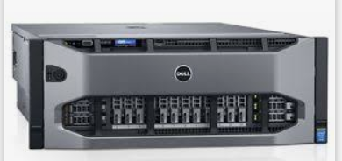
 |  |  |  |  | 2

 |  |  |  |  | 1

 |  |  |  |  |  |  |  |  |  |  |  |  |  |  |  |  | Host1 |  |  | Host 2 |  |  |  | Host 3 |  |  |  | Host 4

 |  |  |  |  |  |  |  |  |  |  |  |  | End user
 |  |  |  |  |  |  | Cluster |  |  |  |  |  |  |  | High Availablity

 |  |  |  |  |  |  | Production Server 1 - 300 GB |  |  |  |  |  |  |  | Production Server 1 - 300 GB
 |  |  |  |  |  |  |  |  |  |  |  |  |  |  | storage 300 GB

VDI
Standalone Laptop |  |  | Vidhur | Raghu
OS | Windows 7 or Windows 10
Physical
 |  | Access & Grants |  |  |  |  | IT | Dedicated VDI | 100 | dedicated ESX Host |  | Win 7
 |  |  |  |  |  |  |  |  |  |  |  | 4GB
 |  |  |  |  |  |  | Helpdesk | create - when you log-in | 50 | Shared |  | 2 Cores |  | 1 | 2 | 3 | 4 | 400
 |  |  | Win 7 | Win 2008 | Win 10 | Mac |  | Kill when you log-out |  |  |  | 400 |  | 10.20.30.40\Program Files (x86)\Google\Chrome\Application\ | 10.20.30.40\Program Files (x86)\Google\Chrome\Application\ | 10.20.30.40\Program Files (x86)\Google\Chrome\Application\ | 10.20.30.40\Program Files (x86)\Google\Chrome\Application\ | 10.20.30.40\Program Files (x86)\Google\Chrome\Application\
 |  |  | 4GB | 8 GB | 16 GB |  |  |  | C:\Program Files (x86)\Google\Chrome\Application\
 |  |  | 2 Cores | 4 Cores | 8 Cores |  |  |  |  |  |  | MS-Office
 |  |  | 400 | 50 | 600 |  | Citrix | XenDesktop |  |  |  | IE
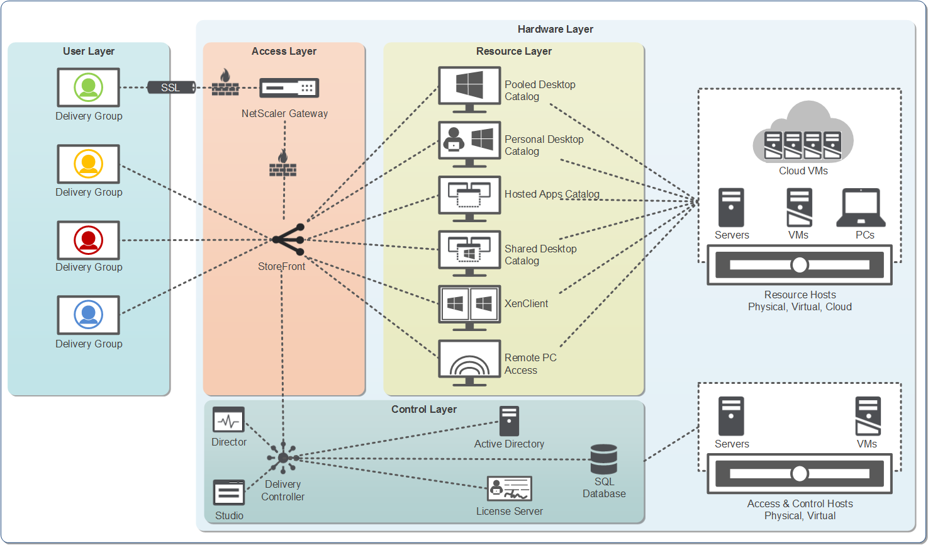
 |  |  |  |  |  |  |  |  |  |  |  | Student App
 |  |  | MS-Office |  |  |  | Hyper | XenServer
 |  |  | IE |  |  |  |  |  |  |  |  | Mba
 |  |  | Student App

Desktop |  |  | Mba | IT Apps | Medical |  |  | XenController |  |  | Base SW | 58GB

 |  |  | Base MBA image | Base Image | Base Image
OS |  |  |  |  |  |  |  |  |  |  |  | MS Office | 3GB
Physical |  |  |  | Hypervisor |  |  |  |  |  |  | 10.20.30.40 | IE | 1 GB | NO 1 GB
 |  |  | CPU | 64 |  |  |  |  |  |  |  | Firefox | 1GB
 |  |  | Memory | 4 TB |  |  |  |  |  |  |  | SAP | 20
maintenance |  |  | Hard Disk | 100GB |  |  |  |  |  |  |  | Oralce | 30
 |  |  | Network | 500MB/Sec |  |  |  |  |  |  |  | People | 5GB

 |  | VDI | Virtual Desktop Infrastracture

code compilation
 |  |  |  |  |  | End Users

App service: Websphere
 |  |  |  |  | Word |  | Excel
App Jar / exe file
Jar file
 | Code will become Binary (example : filename.exe or filename.rar/.jar/.war |  |  | Deployement | Application Platform SW: IBM: Webshphere Oracle: WebLogic Iplanet Jboss
 | convert human readable langauge into Binrary - 0s and 1s |  | Compilation
 | Human readable Language
 | Jave/cobol/Python

 | by Tool | by human manuall |  |  |  |  |  | App Server

Non-Prod vs Prod
Non-produciton |  |  |  |  |  | Production

Development region |  | UAT Region |  | QA Region | performance region | Prod region
exe
exe
exe
exe
exe

Unit testing |  | Functional Testing |  | Integration testing | Performance testing

Developers |  | Functional testers |  | Integration Testers | Performance testers
 |  | or Automated tools |  | or Automated tools | Performance Tools

 |  |  |  |  | # of concurrant Users
 |  |  |  |  | and Response time

 | Access : |  | Company Employees or Contractors or Staff |  |  | Staff + End users

Dev region
Web server | App Server |  | Database Server
WS-DEV | AP-Dev |  | DB-Dev
exe
DB
DB

Deployement

exe
Compile
Code

 |  | compiled |  | Developers
 |  | code

UAT region
Web server | App Server |  | Database Server
WS1 | AP1 |  | DB1
exe
DB
DB

Deployement

exe
Compile
Code

 |  | compiled |  | Developers
 |  | code

QA region
Web server | App Server |  | Database Server
WS2 | AP-QA2 |  | DB-QA2
exe
DB
DB

Deployement

exe
Compile
Code

 |  | compiled |  | Developers
 |  | code

Production region
Web server | App Server |  | Database Server
WS-Prod | AP-Prod |  | DB-Prod
exe
DB
DB

Deployement

exe
Compile
Code

 |  | compiled |  | Developers
 |  | code

